Cover page
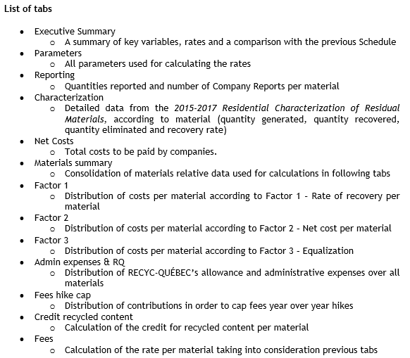
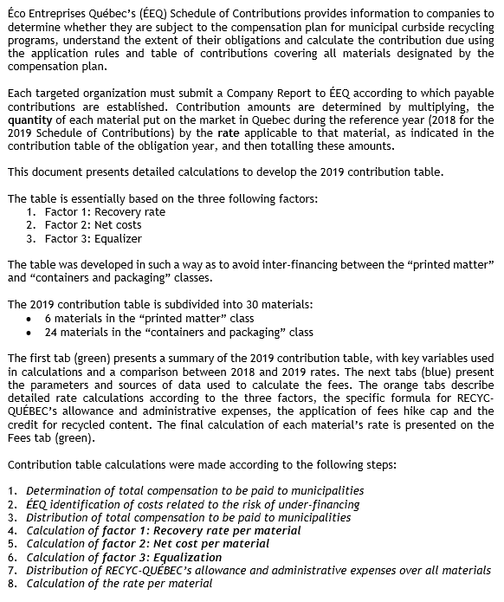

http://www.eeq.ca/en/news-and-documentation/documents-and-publications/schedules-of-contributions/

